DCF
 | Paypal DCF

 | Company | PYPL
 | End FS | 2023-12-31
 | Current date | 2023-09-21
 | Current stock price | $73.24
 | % of the remaining year | 27.67%
x
 | Assumptions
 | Switches |  |  |  | Conservative Case (1) |  |  |  | Base Case (2) |  |  |  | Optimistic Case (3)
 | Revenue Growth | 2 |  | Revenue 2024 |  | 80.0% |  | Revenue 2037 |  | 3.00% |  | Revenue 2024 |  | 120.0%
 | EBIT Margin | 2 |  | Revenue Step (Final) |  | 1.0% |  | EBIT Step |  | 27.00% |  | Revenue Step (Final) |  | 5.0%
 | Taxes | 2 |  | EBIT Step 2024 |  | 80.0% |  | Taxes |  | 21.0% |  | EBIT Step 2024 |  | 120.0%
 | WACC | 2 |  | EBIT Step (Final) |  | 25.0% |  | D&A |  | 3.0% |  | EBIT Step (Final) |  | 29.0%
 | TGR | 2 |  | Taxes |  | 23.0% |  | Capex |  | 4.0% |  | Taxes |  | 18.0%
 |  |  |  | WACC |  | 11.5% |  | NWC |  | 0.0% |  | WACC |  | 9.5%
 | Valuation Assumptions |  |  | TGR |  | 1.0% |  | WACC |  | 10.5% |  | TGR |  | 3.0%
 | WACC | 10.5% |  |  |  |  |  | TGR |  | 2.0%
 | TGR | 2%
x |  |  |  |  |  |  |  | 1 | 2 | 3 | 4 | 5 | 6 | 7 | 8 | 9 | 10 | 11 | 12 | 13 | 14 | 15
 | Income Statement |  | 2018 | 2019 | 2020 | 2021 | 2022 | 2023 | 2024 | 2025 | 2026 | 2027 | 2028 | 2029 | 2030 | 2031 | 2032 | 2033 | 2034 | 2035 | 2036 | 2037
 | Revenue |  | 15,451 | 17,772 | 21,454 | 25,371 | 27,518 | 29,387 | 31,379 | 35,204 | 37,724 | 43,661 | 52,172 | 58,227 | 63,850 | 70,016
 | % growth |  |  | 15% | 21% | 18% | 8% | 7% | 7% | 12% | 7% | 16% | 19% | 12% | 10% | 10%

 | EBIT |  | 2,194 | 2,719 | 3,289 | 4,262 | 3,837 | 4,875 | 5,627 | 6,031 | 6,458 | 9,049 | 11,374 | 12,693 | 14,558 | 15,964
 | % of sales |  | 14% | 15% | 15% | 17% | 14% | 17% | 18% | 17% | 17% | 21% | 22% | 22% | 23% | 23%

 | Taxes |  | 319 | 539 | 863 | -70 | 947 | 897 | 1,042 | 1,122 | 1,119 | 1,572 | 1,920 | 2,144 | 2,461 | 2,700
 | % of EBIT |  | 15% | 20% | 26% | -2% | 25% | 18% | 19% | 19% | 17% | 17% | 17% | 17% | 17% | 17%
x
 | Cash Flow Items |  | 2018 | 2019 | 2020 | 2021 | 2022 | 2023 | 2024 | 2025 | 2026 | 2027 | 2028 | 2029 | 2030 | 2031 | 2032 | 2033 | 2034 | 2035 | 2036 | 2037
 | D&A |  | 776 | 912 | 1,189 | 1,265 | 1,317 | 1,301 | 1,358 | 1,383 | 1,308 | 1,480
 | % of sales |  | 5% | 5% | 6% | 5% | 5% | 4% | 4% | 4% | 3% | 3%
 | % of CapEx |  | -94% | -130% | -137% | -139% | -187% | -135% | -128% | -112% | -94% | -96%

 | CapEx |  | -823 | -704 | -866 | -908 | -706 | -961 | -1,062 | -1,231 | -1,388 | -1,542 | -2,087 | -2,329 | -2,554 | -2,801
 | % of sales |  | -5% | -4% | -4% | -4% | -3% | -3% | -3% | -3% | -4% | -4% | -4% | -4% | -4% | -4%

 | Change in NWC |  | -788 | -1,079 | -952 | -1,102 | -572 | -1,692 | -1,412 | 280 | 402 | 848 | -108 | -103 | -104 | -114
 | % of sales |  | -5% | -6% | -4% | -4% | -2% | -6% | -4% | 1% | 1% | 2% | 0% | 0% | 0% | 0%

x
 | DCF |  | 2018 | 2019 | 2020 | 2021 | 2022 | 2023 | 2024 | 2025 | 2026 | 2027 | 2028 | 2029 | 2030 | 2031 | 2032 | 2033 | 2034 | 2035 | 2036 | 2037
 | Revenue |  | 15451 | 17772 | 21454 | 25371 | 27518 | 29,387 | 32,176 | 36,098 | 40,925 | 46,882 | 54,260 | 62,032 | 70,038 | 78,087 | 85,955 | 93,400 | 100,168 | 106,008 | 110,688 | 114,009
 | % growth |  |  | 15% | 21% | 18% | 8% | 7% | 9% | 12% | 13% | 15% | 16% | 14% | 13% | 11% | 10% | 9% | 7% | 6% | 4% | 3%
 | Conservative Case |  |  |  |  |  |  | 7% | 8% | 10% | 10% | 10% | 13% | 11% | 10% | 9% | 7% | 6% | 5% | 4% | 2% | 1%
 | Street Case |  |  |  |  |  |  | 7% | 9% | 12% | 13% | 15% | 16% | 14% | 13% | 11% | 10% | 9% | 7% | 6% | 4% | 3%
 | Optimistic Case |  |  |  |  |  |  | 7% | 11% | 15% | 16% | 17% | 19% | 17% | 16% | 14% | 13% | 11% | 10% | 8% | 7% | 5%

 | EBIT |  | 2,194 | 2,719 | 3,289 | 4,262 | 3,837 | 4,875 | 5,770 | 6,184 | 7,006 | 9,716 | 11,829 | 13,881 | 16,078 | 18,376 | 20,725 | 23,059 | 25,309 | 27,397 | 29,246 | 30,782
 | % sales |  | 14% | 15% | 15% | 17% | 14% | 17% | 18% | 17% | 17% | 21% | 22% | 22% | 23% | 24% | 24% | 25% | 25% | 26% | 26% | 27%
 | Conservative Case |  |  |  |  |  |  | 17% | 14% | 14% | 14% | 17% | 17% | 18% | 19% | 20% | 21% | 22% | 22% | 23% | 24% | 25%
 | Street Case |  |  |  |  |  |  | 17% | 18% | 17% | 17% | 21% | 22% | 22% | 23% | 24% | 24% | 25% | 25% | 26% | 26% | 27%
 | Optimistic Case |  |  |  |  |  |  | 17% | 22% | 21% | 21% | 25% | 26% | 26% | 27% | 27% | 27% | 28% | 28% | 28% | 29% | 29%

 | Taxes |  | -319 | -539 | -863 | 70 | -947 | -897 | -1,069 | -1,150 | -1,214 | -1,687 | -1,996 | -2,406 | -2,861 | -3,354 | -3,878 | -4,420 | -4,967 | -5,502 | -6,008 | -6,464
 | % of EBIT |  | -15% | -20% | -26% | 2% | -25% | 18% | 19% | 19% | 17% | 17% | 17% | 17% | 18% | 18% | 19% | 19% | 20% | 20% | 21% | 21%
 | Conservative Case |  |  |  |  |  |  | 18% | 19% | 19% | 17% | 17% | 17% | 18% | 18% | 19% | 20% | 20% | 21% | 22% | 22% | 23%
x | Street Case |  |  |  |  |  |  | 18% | 19% | 19% | 17% | 17% | 17% | 17% | 18% | 18% | 19% | 19% | 20% | 20% | 21% | 21%
 | Optimistic Case |  |  |  |  |  |  | 18% | 19% | 19% | 17% | 17% | 17% | 17% | 17% | 17% | 17% | 18% | 18% | 18% | 18% | 18%

 | EBIAT |  |  |  |  |  |  | 3,977 | 4,701 | 5,034 | 5,792 | 8,029 | 9,832 | 11,475 | 13,217 | 15,022 | 16,847 | 18,639 | 20,342 | 21,895 | 23,239 | 24,318

 | D&A |  | 776 | 912 | 1,189 | 1,265 | 1,317 | 1,301 | 1,392 | 1,418 | 1,419 | 1,589 | 1,840 | 2,103 | 2,374 | 2,647 | 2,914 | 3,167 | 3,396 | 3,594 | 3,753 | 3,420
 | % sales |  |  |  |  |  |  | 4% | 4% | 4% | 3% | 3% | 3% | 3% | 3% | 3% | 3% | 3% | 3% | 3% | 3% | 3%
 | Street Case |  |  |  |  |  |  | 4% | 4% | 4% | 3% | 3% | 3% | 3% | 3% | 3% | 3% | 3% | 3% | 3% | 3% | 3%

 | Capex |  | -823 | -704 | -866 | -908 | -706 | -961 | -1,089 | -1,262 | -1,506 | -1,656 | -2,171 | -2,481 | -2,802 | -3,124 | -3,439 | -3,736 | -4,007 | -4,241 | -4,428 | -4,560
 | % sales |  |  |  |  |  |  | 3% | 3% | 3% | 4% | 4% | 4% | 4% | 4% | 4% | 4% | 4% | 4% | 4% | 4% | 4%
 | Street Case |  |  |  |  |  |  | 3% | 3% | 3% | 4% | 4% | 4% | 4% | 4% | 4% | 4% | 4% | 4% | 4% | 4% | 4%

 | Change in NWC |  | -788 | -1,079 | -952 | -1,102 | -572 | -1,692 | -1,448 | 287 | 436 | 911 | -113 | -110 | -115 | -128 | -141 | -153 | -164 | -173 | -181 | 0
 | % of sales |  |  |  |  |  |  | 6% | 4% | -1% | -1% | -2% | 0% | 0% | 0% | 0% | 0% | 0% | 0% | 0% | 0% | 0%
 | Street Case |  |  |  |  |  |  | 6% | 4% | -1% | -1% | -2% | 0% | 0% | 0% | 0% | 0% | 0% | 0% | 0% | 0% | 0%

 | Unleverage FCF |  |  |  |  |  | 727 | 2,626 | 3,557 | 5,476 | 6,140 | 8,873 | 9,389 | 10,987 | 12,675 | 14,418 | 16,182 | 17,917 | 19,567 | 21,074 | 22,382 | 23,178

 | Number periods from current dates |  |  |  |  |  | 0.27671232877 |  | 1.2767123288 | 2.2767123288 | 3.2767123288 | 4.2767123288 | 5.2767123288 | 6.2767123288 | 7.2767123288 | 8.2767123288 | 9.2767123288 | 10.276712329 | 11.276712329 | 12.276712329 | 13.276712329 | 14.276712329

 | Present Value FCF |  |  |  |  |  | 707 |  | 3,133 | 4,367 | 4,433 | 5,799 | 5,555 | 5,885 | 6,147 | 6,331 | 6,432 | 6,448 | 6,375 | 6,216 | 5,977 | 5,604

 | Valuation - DCF & Growing perpetuity |  |  | Valuation - DCF & Multiply |  |  |  |  | Valuation - Mutiple
 |  |  |  |  |  |  |  |  |  |  |  |  |  |  |  |  |  |  |  | Source : Bloomberg
 | FCF t+1 | 23,178.1 |  | Multiples | EV/ Sales | EV / EBITDA | EV / EBIT |  | Multiples | EV/ Sales | EV / EBITDA | EV / EBIT | P / BV | P / E |  | Tableau Multiple |  |  |  | Tableau WACC
 | Terminal value (TV) (FCF = grow. perp.) t | 274,095.7 |  | Mean Mutiple | 5.60x | 17.90x | 22.80x |  | Mean Multiples | 5.60x | 17.90x | 22.80x | 5.90x | 31.60x |  |  | Paypal | Industry |  |  | Ponderation | Cost | Poids * Cost
 |  |  |  | Terminal year estimator | 27,518.0 | 4,930.0 | 4,039.0 |  | End of Last year estimator | 27,518.0 | 4,930.0 | 4,039.0 | 20,274.0 | 2,419.0 |  | EV/Sales | 3.04x | 5.60x |  | Stock | 87.90% | 11.40% | 10.02% |  | 1
 | Sum of the PV of FCF | 79,408.0 |  | Terminal value | 154,100.8 | 88,247.0 | 92,089.2 |  | EV | 154,100.8 | 88,247.0 | 92,089.2 |  |  |  | EV/EBITDA | 16.35x | 17.90x |  | Bonds | 12% | 3.60% | 0.44%
 | PV of TV | 66,265.8 |  | PV of TV | 37,255.7 | 21,334.7 | 22,263.6 |  | (-) Net debt | (687.0) | (687.0) | (687.0) |  |  |  | EV/EBIT | 20.74x | 22.80x |  | WACC |  |  | 10.46%
 |  |  |  | Sum of the PV of FCF | 79,408.0 | 79,408.0 | 79,408.0 |  | Equity value | 153,413.8 | 87,560.0 | 91,402.2 | 119,616.6 | 76,440.4 |  | P/E | 35.13x | 31.60x
 | Enterprise value | 145,673.8 |  | EV | 116,663.7 | 100,742.7 | 101,671.6 |  | Weighted Avg, Basic Shares Out, | 1,154.0 | 1,154.0 | 1,154.0 | 1,154.0 | 1,154.0 |  | P/BV | 4.11x | 5.90x |  |  |  |  |  | s
 | (-) Net debt value | (687.0) |  | (-) Net debt | (687.0) | (687.0) | (687.0) |  | Equity value / share | 132.94 $ | 75.88 $ | 79.20 $ | 103.65 $ | 66.24 $
 | Equity value | 144,986.8 |  | Equity value | 115,976.7 | 100,055.7 | 100,984.6
 |  |  |  | Fully diluted shares outstanding | 1,154.0 | 1,154.0 | 1,154.0
 | Fully diluted shares outstanding | 1,154.0 |  | Equity value / share | 100.50 $ | 86.70 $ | 87.51 $

 | Equity value per share | 125.64 $

 | Share value (DCF & Growing perpetuity) - Sensitivity Analysis : WACC vs Growth
 | 125.64 $ | 9.0% | 9.5% | 10.0% | 10.5% | 11.0% | 11.5% | 12.0% |  | Summary Table | Min | Span | Max |  | Table : Target Price
 | 1.6% | 155.52 $ | 142.92 $ | 131.92 $ | 122.24 $ | 113.67 $ | 106.04 $ | 99.21 $ |  | DCF & Growing Perpetuity | 99.21 | 64.60 | 163.81 |  | Récession | 0.6 | 76.53 | 45.92
 | 1.7% | 156.61 $ | 143.82 $ | 132.66 $ | 122.86 $ | 114.19 $ | 106.48 $ | 99.58 $ |  | DCF & EV/EBITDA Multiple | 81.85 | 7.86 | 89.71 |  | Pas récession | 0.4 | 128.98 | 51.59
 | 1.8% | 157.73 $ | 144.73 $ | 133.42 $ | 123.49 $ | 114.72 $ | 106.93 $ | 99.96 $ |  | P/E Multiple Only | 46.79 | 40.29 | 87.09 |  | Target price |  |  | 97.51
 | 1.9% | 158.87 $ | 145.67 $ | 134.19 $ | 124.14 $ | 115.26 $ | 107.38 $ | 100.34 $ |  | Price/Sales Multiple Only | 78.26 | 97.05 | 175.31
 | 2.0% | 160.06 $ | 146.64 $ | 134.99 $ | 124.80 $ | 115.81 $ | 107.85 $ | 100.74 $ |  | Average Methods | 76.53 | 52.45 | 128.98 |  | Upside (downside) |  | 0.33137181216
 | 2.1% | 161.27 $ | 147.63 $ | 135.80 $ | 125.47 $ | 116.38 $ | 108.32 $ | 101.14 $ |  | Analyst Recommandation | 70.00 $ | 165.00 $ | 235.00 $
 | 2.2% | 162.52 $ | 148.64 $ | 136.64 $ | 126.17 $ | 116.96 $ | 108.81 $ | 101.55 $
 | 2.3% | 163.81 $ | 149.69 $ | 137.50 $ | 126.88 $ | 117.55 $ | 109.30 $ | 101.97 $

Graph 1 : Paypal Valuation
 | Share value (DCF & EV / EBITDA Multiple) - Sensitivity Analysis : EBITDA Terminal year vs Multiple
 | 86.70 $ | 4,200.0 | 4,400.0 | 4,600.0 | 4,800.0 | 5,000.0 | 5,200.0 | 5,400.0
 | 15.5x | 81.85 $ | 82.50 $ | 83.15 $ | 83.80 $ | 84.45 $ | 85.10 $ | 85.75 $
 | 16.0x | 82.29 $ | 82.96 $ | 83.63 $ | 84.31 $ | 84.98 $ | 85.65 $ | 86.32 $
 | 16.5x | 82.73 $ | 83.43 $ | 84.12 $ | 84.81 $ | 85.50 $ | 86.19 $ | 86.88 $
 | 17.0x | 83.17 $ | 83.89 $ | 84.60 $ | 85.31 $ | 86.02 $ | 86.74 $ | 87.45 $
 | 17.5x | 83.61 $ | 84.35 $ | 85.08 $ | 85.81 $ | 86.55 $ | 87.28 $ | 88.01 $
 | 18.0x | 84.05 $ | 84.81 $ | 85.56 $ | 86.32 $ | 87.07 $ | 87.82 $ | 88.58 $
 | 18.5x | 84.49 $ | 85.27 $ | 86.04 $ | 86.82 $ | 87.59 $ | 88.37 $ | 89.14 $
 | 19.0x | 84.93 $ | 85.73 $ | 86.53 $ | 87.32 $ | 88.12 $ | 88.91 $ | 89.71 $

 | Share value (P/E Multiple Only) - Sensitivity Analysis : Net Income Last Year vs Multiple
 | 66.24 $ | 1,800.0 | 2,000.0 | 2,200.0 | 2,400.0 | 2,600.0 | 2,800.0 | 3,000.0
 | 30.0x | 46.79 $ | 51.99 $ | 57.19 $ | 62.39 $ | 67.59 $ | 72.79 $ | 77.99 $
 | 30.5x | 47.57 $ | 52.86 $ | 58.15 $ | 63.43 $ | 68.72 $ | 74.00 $ | 79.29 $
 | 31.0x | 48.35 $ | 53.73 $ | 59.10 $ | 64.47 $ | 69.84 $ | 75.22 $ | 80.59 $
 | 31.5x | 49.13 $ | 54.59 $ | 60.05 $ | 65.51 $ | 70.97 $ | 76.43 $ | 81.89 $
 | 32.0x | 49.91 $ | 55.46 $ | 61.01 $ | 66.55 $ | 72.10 $ | 77.64 $ | 83.19 $
 | 32.5x | 50.69 $ | 56.33 $ | 61.96 $ | 67.59 $ | 73.22 $ | 78.86 $ | 84.49 $
 | 33.0x | 51.47 $ | 57.19 $ | 62.91 $ | 68.63 $ | 74.35 $ | 80.07 $ | 85.79 $
 | 33.5x | 52.25 $ | 58.06 $ | 63.86 $ | 69.67 $ | 75.48 $ | 81.28 $ | 87.09 $

 | Share value (EV / Sales Multiple Only) - Sensitivity Analysis : Sales Last Year vs Multiple
 | 132.94 $ | 26,000.0 | 26,500.0 | 27,000.0 | 27,500.0 | 28,000.0 | 28,500.0 | 29,000.0
 | 3.50x | 78.26 $ | 79.78 $ | 81.29 $ | 82.81 $ | 84.33 $ | 85.84 $ | 87.36 $
 | 4.00x | 89.53 $ | 91.26 $ | 92.99 $ | 94.73 $ | 96.46 $ | 98.19 $ | 99.92 $
 | 4.50x | 100.79 $ | 102.74 $ | 104.69 $ | 106.64 $ | 108.59 $ | 110.54 $ | 112.49 $
 | 5.00x | 112.06 $ | 114.22 $ | 116.39 $ | 118.56 $ | 120.72 $ | 122.89 $ | 125.05 $
 | 5.50x | 123.32 $ | 125.70 $ | 128.09 $ | 130.47 $ | 132.85 $ | 135.24 $ | 137.62 $
 | 6.00x | 134.59 $ | 137.19 $ | 139.79 $ | 142.39 $ | 144.99 $ | 147.58 $ | 150.18 $
 | 6.50x | 145.85 $ | 148.67 $ | 151.48 $ | 154.30 $ | 157.12 $ | 159.93 $ | 162.75 $
 | 7.00x | 157.12 $ | 160.15 $ | 163.18 $ | 166.22 $ | 169.25 $ | 172.28 $ | 175.31 $

Overview
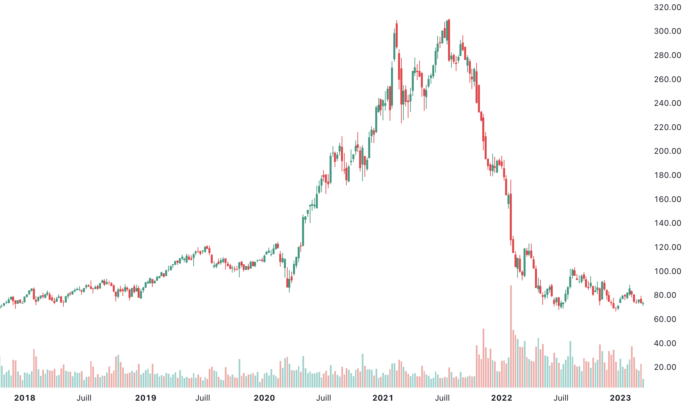
 |  |  |  |  | (en millions de USD)
Ticker | PYPL | Dividend | 0 | Market Cap | 82,64B
Industrie | Software & IT Services | Dividend Yield | #N/A | P/E Ratio | 34.66
Secteur | Digital Paiment |  |  | Revenue | 27,52B
Devise | USD |  |  | EPS | 2.1
 |  | Stock Price | 73.24 $ | Beta | 1.3
Recommandation | BUY | 1-Year Change | -24.81%
Target Price | 97.51 $ | 52 Wk Range | 66,39 - 122,92 | Next Earning Date | 2023-05-03

DATA - Ratios
PayPal Holdings, Inc, (NasdaqGS:PYPL) > Financials > Ratios

 | Restatement: | Latest Filings |  | Period Type: | Annual
 | Order: | Latest on Right |  | Decimals: | Capital IQ (Default)

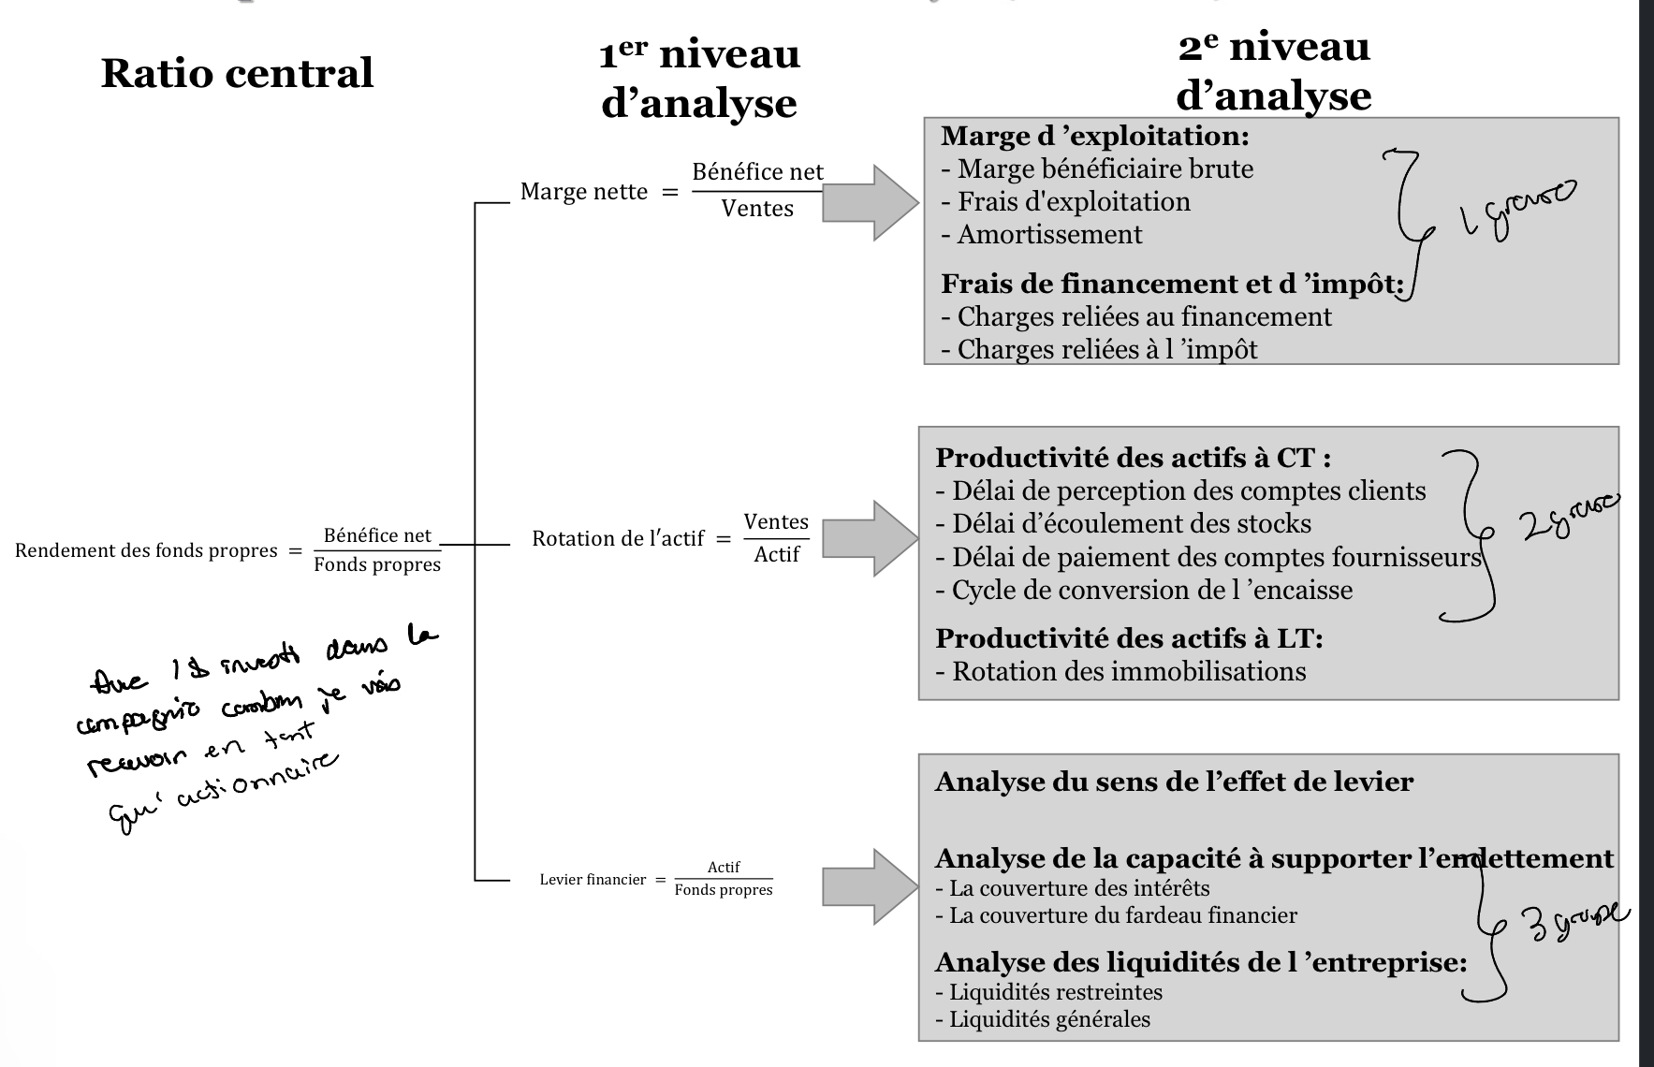
Ratios
For the Fiscal Period Ending | 12 months Dec-31-2018 | 12 months Dec-31-2019 | 12 months Dec-31-2020 | 12 months Dec-31-2021 | 12 months Dec-31-2022 | Variation
Autre Ratio
Levier Financier | 2.7x | 2.9x | 3.3x | 3.5x | 3.7x | 0.2
Levier Financier | 2.8x | 3.0x | 3.5x | 3.5x | 3.9x | 0.4
Ratio amortissement | 0.03x | 0.03x | 0.04x | 0.04x | 0.03x | -0.003
Ratio frais financier | 0.00498 | 0.00647 | 0.00974 | 0.00914 | 0.01105 | 0.002
Tax rate | 13.43% | 17.98% | 17.04% | NM | 28.13%
Interest/Passif (Cout des passifs) | 0.3% | 0.3% | 0.4% | 0.4% | 0.5% | 0.0
Ratio de couverture Fardeau Financier | 1.63 | 0.88 | 0.90 | 7.20 | 1.52 | -5.7

Profitability
Return on Assets % | 3.3% | 3.7% | 3.5% | 3.7% | 3.3%
Return on Capital % | 8.1% | 8.8% | 8.2% | 8.8% | 8.0%
Return on Equity % | 13.1% | 15.2% | 22.7% | 20.0% | 11.5%
Return on Common Equity % | 13.1% | 15.2% | 22.8% | 20.0% | 11.5% | (8.5%)

Margin Analysis
Gross Margin % | 46.5% | 44.9% | 46.6% | 47.0% | 42.3% | (4.6%)
SG&A Margin % | 18.5% | 17.5% | 18.3% | 18.0% | 15.8%
EBITDA Margin % | 17.7% | 19.2% | 20.0% | 20.6% | 17.9%
EBITA Margin % | 15.3% | 16.9% | 18.1% | 18.8% | 16.4%
EBIT Margin % | 14.4% | 15.7% | 16.0% | 17.0% | 14.7% | (2.3%)
Earnings from Cont, Ops Margin % | 13.3% | 13.8% | 19.6% | 16.4% | 8.8%
Net Income Margin % | 13.3% | 13.8% | 19.6% | 16.4% | 8.8%
Net Income Avail, for Common Margin % | 13.3% | 13.8% | 19.6% | 16.4% | 8.8%
Normalized Net Income Margin % | 9.4% | 10.1% | 9.8% | 10.3% | 9.5%
Levered Free Cash Flow Margin % | 47.3% | 11.0% | 23.6% | 10.9% | 12.1%
Unlevered Free Cash Flow Margin % | 47.6% | 11.5% | 24.2% | 11.4% | 12.8%

Asset Turnover
Total Asset Turnover | 0.4x | 0.4x | 0.4x | 0.3x | 0.4x
Fixed Asset Turnover | 9.5x | 9.1x | 9.2x | 10.0x | 11.3x
Accounts Receivable Turnover | 51.8x | 47.5x | 42.4x | 36.8x | 31.2x
Inventory Turnover | NA | NA | NA | NA | NA

Short Term Liquidity
Current Ratio (Liquidité Generale) | 1.3x | 1.4x | 1.3x | 1.2x | 1.3x
Quick Ratio (Restreint) | 0.4x | 0.4x | 0.4x | 0.2x | 0.3x
Cash from Ops, to Curr, Liab, | 0.2x | 0.2x | 0.2x | 0.1x | 0.1x
Avg, Days Sales Out, (Perception Client) | 7.0 | 7.7 | 8.6 | 9.9 | 11.7
Avg, Days Inventory Out, (Écoulement Stock) | NA | NA | NA | NA | NA
Avg, Days Payable Out, (Pmt compte fournisseurs) | 11.9 | 9.6 | 7.7 | 6.1 | 3.7
Avg, Cash Conversion Cycle (Cycle) | NA | NA | NA | NA | NA

Long Term Solvency
Total Debt/Equity | 13.0% | 32.3% | 48.5% | 45.2% | 57.0% | Structure capital
Total Debt/Capital | 11.5% | 24.4% | 32.6% | 31.1% | 36.3%
LT Debt/Equity | NA | 31.7% | 47.8% | 39.9% | 54.2%
LT Debt/Capital | NA | 24.0% | 32.2% | 27.5% | 34.5%
Total Liabilities/Total Assets | 64.5% | 67.0% | 71.5% | 71.3% | 74.2%

EBIT / Interest Exp, (Ratio couverture interet) | 28.8x | 24.3x | 16.4x | 18.6x | 13.3x
EBITDA / Interest Exp, | 35.5x | 30.8x | 21.3x | 23.3x | 16.9x
(EBITDA-CAPEX) / Interest Exp, | 24.8x | 24.7x | 17.2x | 19.4x | 14.5x
Total Debt/EBITDA | 0.7x | 1.5x | 2.2x | 1.8x | 2.3x
Net Debt/EBITDA | NM | NM | NM | 0.1x | 0.1x
Total Debt/(EBITDA-CAPEX) | 1.0x | 1.9x | 2.7x | 2.2x | 2.6x
Net Debt/(EBITDA-CAPEX) | NM | NM | NM | 0.1x | 0.2x

Altman Z Score | 3.02 | 3.18 | 3.19 | 4.29 | 2.2

Growth Over Prior Year
Total Revenue | 18.0% | 15.0% | 20.7% | 18.3% | 8.5%
Gross Profit | 12.3% | 11.1% | 25.2% | 19.2% | (2.2%)
EBITDA | 0.8% | 24.8% | 25.9% | 21.4% | (5.4%)
EBITA | 1.9% | 27.0% | 29.0% | 22.7% | (5.2%)
EBIT | 1.0% | 26.0% | 22.6% | 25.9% | (6.4%)
Earnings from Cont, Ops, | 14.6% | 19.5% | 70.9% | (0.8%) | (42.0%)
Net Income | 14.6% | 19.5% | 70.9% | (0.8%) | (42.0%)
Normalized Net Income | 1.9% | 23.9% | 16.9% | 25.3% | (0.1%)
Diluted EPS before Extra | 16.3% | 21.1% | 71.0% | (0.6%) | (40.6%)

Accounts Receivable | 10.6% | 39.0% | 32.6% | 38.6% | 20.4%
Inventory | NA | NA | NA | NA | NA
Net PP&E | 12.8% | 26.0% | 15.7% | 2.1% | (10.3%)
Total Assets | 6.3% | 18.5% | 37.1% | 7.7% | 3.8%

Tangible Book Value | (27.9%) | 19.5% | (0.6%) | (9.1%) | (7.4%)
Common Equity | (3.8%) | 9.7% | 18.6% | 8.5% | (6.7%)
Cash from Ops, | 116.5% | (25.7%) | 52.8% | (6.8%) | 0.3%
Capital Expenditures | 23.4% | (14.5%) | 23.0% | 4.8% | (22.2%)
Levered Free Cash Flow | 620.3% | (73.1%) | 157.5% | (45.6%) | 20.9%
Unlevered Free Cash Flow | 621.9% | (72.3%) | 154.8% | (44.1%) | 21.4%
Dividend per Share | NA | NA | NA | NA | NA

Compound Annual Growth Rate Over Two Years
Total Revenue | 19.4% | 16.5% | 17.8% | 19.5% | 13.3%
Gross Profit | 18.3% | 11.7% | 17.9% | 22.2% | 7.9%
EBITDA | 14.0% | 12.2% | 25.4% | 23.6% | 7.1%
EBITA | 16.8% | 13.8% | 28.0% | 25.8% | 7.8%
EBIT | 18.3% | 12.8% | 24.3% | 24.2% | 8.5%
Earnings from Cont, Ops, | 21.2% | 17.0% | 42.9% | 30.2% | (24.1%)
Net Income | 21.2% | 17.0% | 42.9% | 30.2% | (24.1%)
Normalized Net Income | 19.0% | 12.4% | 20.4% | 21.0% | 11.8%
Diluted EPS before Extra | 21.9% | 18.7% | 43.9% | 30.4% | (23.2%)

Accounts Receivable | 20.9% | 24.0% | 35.8% | 35.6% | 29.2%
Inventory | NA | NA | NA | NA | NA
Net PP&E | 7.9% | 19.2% | 20.8% | 8.7% | (4.3%)
Total Assets | 14.4% | 12.2% | 27.4% | 21.5% | 5.8%

Tangible Book Value | (11.0%) | (7.2%) | 9.0% | (4.9%) | (8.3%)
Common Equity | 2.3% | 2.7% | 14.1% | 13.4% | 0.6%
Cash from Ops, | 31.7% | 26.8% | 6.5% | 19.3% | (3.3%)
Capital Expenditures | 10.9% | 2.7% | 2.6% | 13.6% | (9.7%)
Levered Free Cash Flow | 143.8% | 39.2% | (16.8%) | 18.4% | (18.9%)
Unlevered Free Cash Flow | 144.4% | 41.4% | (16.0%) | 19.3% | (17.6%)
Dividend per Share | NA | NA | NA | NA | NA

Compound Annual Growth Rate Over Three Years
Total Revenue | 18.7% | 17.9% | 17.9% | 18.0% | 15.7%
Gross Profit | 15.1% | 15.8% | 16.0% | 18.4% | 13.4%
EBITDA | 11.9% | 17.5% | 16.6% | 24.0% | 13.1%
EBITA | 13.9% | 20.1% | 18.6% | 26.2% | 14.5%
EBIT | 13.7% | 20.8% | 16.0% | 24.8% | 13.0%
Earnings from Cont, Ops, | 18.8% | 20.6% | 32.8% | 26.6% | (0.5%)
Net Income | 18.8% | 20.6% | 32.8% | 26.6% | (0.5%)
Normalized Net Income | 14.9% | 20.6% | 13.9% | 22.0% | 13.5%
Diluted EPS before Extra | 19.6% | 21.6% | 34.0% | 27.2% | 0.3%

Accounts Receivable | 31.7% | 26.7% | 26.8% | 36.7% | 30.3%
Inventory | NA | NA | NA | NA | NA
Net PP&E | 8.7% | 13.6% | 18.1% | 14.2% | 2.0%
Total Assets | 14.5% | 15.7% | 20.0% | 20.5% | 15.3%

Tangible Book Value | (3.9%) | (1.8%) | (5.0%) | 2.6% | (5.8%)
Common Equity | 3.8% | 4.7% | 7.8% | 12.2% | 6.3%
Cash from Ops, | 29.1% | 8.8% | 34.9% | 1.9% | 12.6%
Capital Expenditures | 4.5% | 1.7% | 9.1% | 3.3% | 0.1%
Levered Free Cash Flow | 118.4% | 16.9% | 70.9% | (27.8%) | 19.3%
Unlevered Free Cash Flow | 118.9% | 18.3% | 72.1% | (26.7%) | 20.0%
Dividend per Share | NA | NA | NA | NA | NA

Compound Annual Growth Rate Over Five Years
Total Revenue | 18.1% | 17.2% | 18.3% | 18.5% | 16.0%
Gross Profit | 15.9% | 13.6% | 16.2% | 18.3% | 12.7%
EBITDA | 13.6% | 15.6% | 17.1% | 19.9% | 12.7%
EBITA | 15.3% | 17.3% | 19.3% | 22.3% | 14.2%
EBIT | 15.3% | 17.1% | 17.8% | 22.2% | 13.0%
Earnings from Cont, Ops, | 16.6% | 42.5% | 27.9% | 24.4% | 6.1%
Net Income | 16.6% | 42.5% | 27.9% | 24.4% | 6.1%
Normalized Net Income | 16.4% | 17.9% | 17.1% | 20.8% | 13.1%
Diluted EPS before Extra | 17.0% | 43.5% | 28.8% | 25.1% | 7.3%

Accounts Receivable | 43.2% | 46.3% | 33.3% | 30.2% | 27.8%
Inventory | NA | NA | NA | NA | NA
Net PP&E | 15.0% | 18.7% | 13.3% | 11.6% | 8.6%
Total Assets | 17.7% | 18.6% | 19.5% | 18.0% | 14.1%

Tangible Book Value | 16.0% | 15.1% | 1.1% | (3.1%) | (6.3%)
Common Equity | 15.8% | 15.4% | 7.8% | 8.1% | 4.9%
Cash from Ops, | 22.4% | 12.9% | 19.6% | 12.9% | 18.1%
Capital Expenditures | 16.0% | 7.4% | 3.7% | 6.3% | 1.1%
Levered Free Cash Flow | NA | 31.1% | 48.5% | 17.5% | 26.8%
Unlevered Free Cash Flow | NA | 32.0% | 49.2% | 18.7% | 28.2%
Dividend per Share | NA | NA | NA | NA | NA

